Dashboard
E-Commerce Sales Dashboard

Top 3 Products by Revenue

SQL
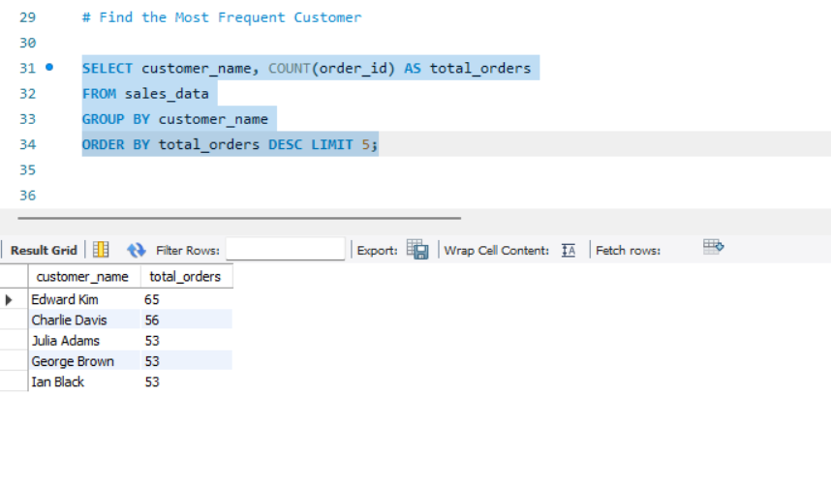
Total Revenue Per Product Category | Top 5 Best Selling Products By Revenue | No Of Orders Per Payment Method | Identify Customers with Multiple Purchases on the Same Day
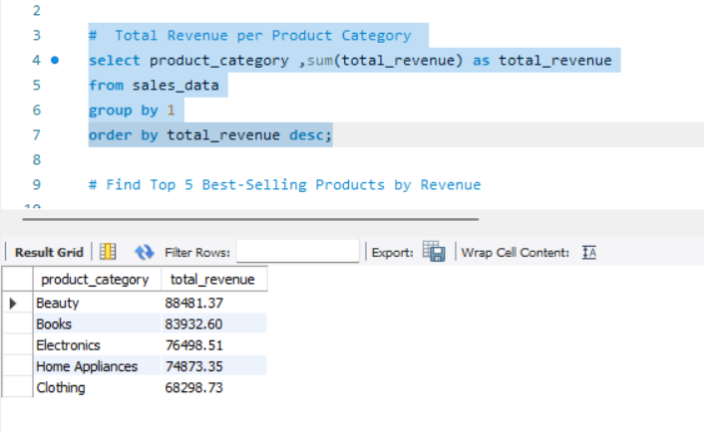
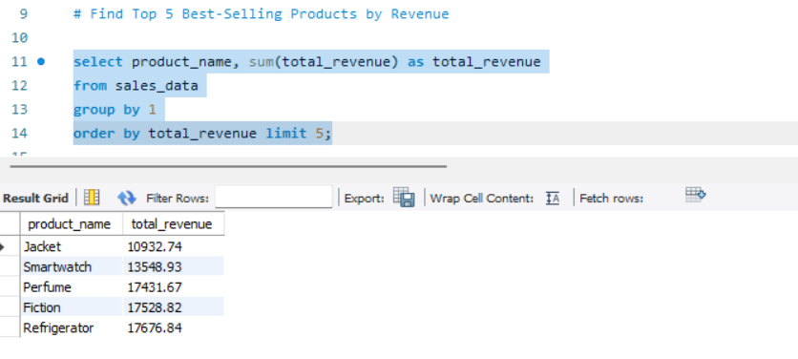
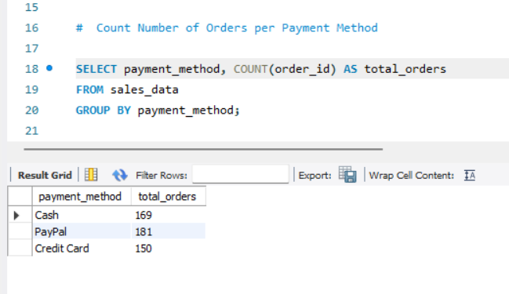
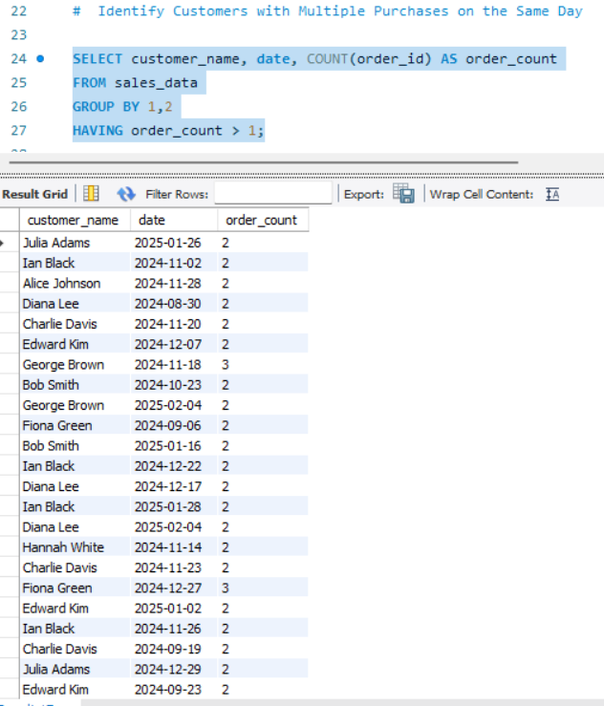

Find the Most Frequent Customer Who Has Placed the Highest Number of Orders

